Into
TameFlow-Scrum
Edition J. Ross
 |  |  | 
click on the diagram to calculate the probability |  | click on the diagram to go to execution control
of success |  | and drawing fever curves

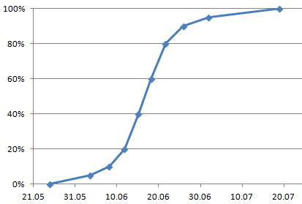
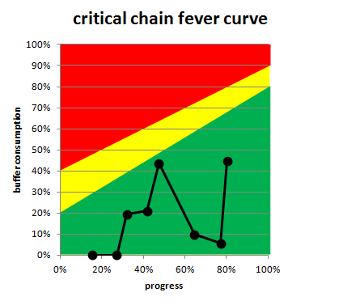

This excel file is protected by the creative commons license (CC BY-SA 3.0)

 | http://creativecommons.org/licenses/by-sa/3.0/

Do you have the most actual version of the excel file?

 | http://reliable-scrum.de/P1V31.html

Part I - WIP Control

TameFlow-Scrum
Part I - WIP Control

The goal of Part I - WIP-Control is to make sure, that the probability to fulfill the expectations of the stakeholder is in a realistic range. There are two factors that define the probability of success a) the amount of story points in the backlog that has to be burned down and b) the mean velocity until the due-date. If you take both as probabilities you'll get a good estimate on the overall success-rate at a specific time. A calculated success rate of greater than 80% will lead, in practice, to a success of the project/release.

expected Load - BACKLOG (regarding probability) | total
optimistic Load (Story Points) | 500 | baseline, the current known backlog items
realistic Load (Story Points) | 600 | 20% | estimate on how many backlog items usually occur
pessimistic Load (Story Points) | 700 | 40% | estimate on how many backlog items in worts case occur

expected VELOCITY (regarding probability) | mean
pessimistic velocity (Story Points per Week) | 20 | -20% | estimate on how much the velocity can drop in worst case
realistic velocity (Story Points per Week) | 25
optimistic velocity (Story Points per Week) | 30 | 20% | estimate on how much the velocity can increase in best case

start of burn down | 2013-01-01 | date when the burn down of the backlog really started

Results
sucess probability based on wished Due-Date
due date | 2013-07-03
absolute probability of success to deliver at due date | 79% | above 80% will typically lead to a successful project

Due-Date based on a given probability of success
reasonable absolute probability | 80%
reasonable due date | 2013-07-03 15:57:30

Success-Curve

 |  |  |  | Due-Date | Probability
 |  |  |  | 2013-04-27 16:00:00 | 0%
 |  |  |  | 2013-05-22 00:22:19 | 5%
 |  |  |  | 2013-05-27 14:05:10 | 10%
 |  |  |  | 2013-06-03 18:45:12 | 20%
 |  |  |  | 2013-06-13 17:54:49 | 40%
 |  |  |  | 2013-06-22 08:59:10 | 60%
 |  |  |  | 2013-07-03 15:57:30 | 80%
 |  |  |  | 2013-07-12 20:54:42 | 90%
 |  |  |  | 2013-07-20 17:13:00 | 95%
 |  |  |  | 2013-07-27 07:57:07 | 98%
 |  |  |  | 2013-09-03 | 100%

Part II - Execution Control

TameFlow-Scrum
Part II - Execution Control

start of project/release |  | 2013-01-01 |  | it's also the start of the burn-down s. cell C11
start of the buffer |  | 2013-05-21 21:50:24 | 23% | percentage of buffer to the whol duration of the release project
commited due date |  | 2013-07-03

# sprint | date of status | elapsed time [week] | story point in backlog [story points] | calculated velocity [story points/week] | estimated/ set velocity [story points/week] | estimed date of finishing | progress over time | buffer consumption | remaining duration [days] | remaining duration [workdays]
- | 2013-01-01 | - | 500 | - | 25 | 2013-05-21 | 0% | 0% | 140 | 101
1 | 2013-01-15 | 2 | 495 | - | 25 | 2013-06-02 14:24:00 | 9% | 28% | 139 | 99
2 | 2013-01-29 | 4 | 475 | 6 | 25 | 2013-06-11 | 17% | 48% | 133 | 96
3 | 2013-02-12 | 6 | 435 | 11 | 25 | 2013-06-13 19:12:00 | 26% | 54% | 122 | 88
4 | 2013-02-26 | 8
5 | 2013-03-12 | 10
6 | 2013-03-26 | 12

product burndown
- | 500
2 | 495
4 | 475
6 | 435
8
10
12
critical chain fever curve

 |  |  |  |  | Colour-Sheme | BC@0%LCC | BC@100%LCC
 |  |  |  |  | green-yellow-line | 30% | 80%
 |  |  |  |  | yellow-red-lne | 50% | 90%

