Tab 2
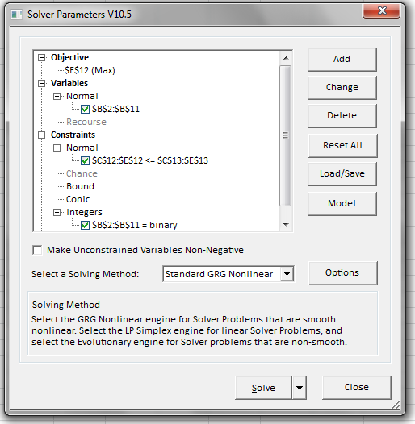
PROJECT | DECISION VARIABLES Y = 1; N = 0 | DISCOVERERS REQUIRED | DEVELOPERS REQUIRED | INVESTMENT REQUIRED ($M) | FORECASTED NPV ($M)
A | 1 | 7 | 4 | 250 | 650
B | 1 | 6 | 5 | 175 | 550
C | 1 | 9 | 6 | 300 | 600
D | 1 | 8 | 8 | 400 | 895
E | 1 | 9 | 7 | 500 | 900
F | 1 | 6 | 6 | 150 | 550
G | 1 | 5 | 5 | 150 | 450
H | 1 | 6 | 2 | 145 | 375
I | 1 | 4 | 8 | 160 | 525
J | 1 | 8 | 9 | 325 | 750
TOTAL |  | 68 | 60 | 2555 | 6245
CONSTRAINT |  | 45 | 40 | 1500

Tab 4
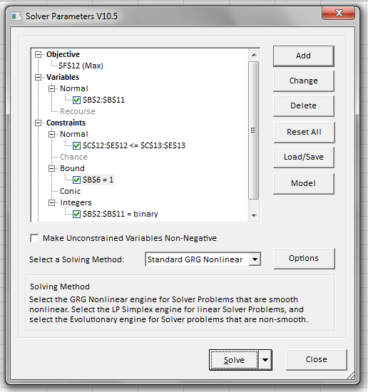
PROJECT | DECISION VARIABLES Y = 1; N = 0 | DISCOVERERS REQUIRED | DEVELOPERS REQUIRED | INVESTMENT REQUIRED ($M) | FORECASTED NPV ($M)
A | 0 | 7 | 4 | 250 | 650
B | 1 | 6 | 5 | 175 | 550
C | 0 | 9 | 6 | 300 | 600
D | 0 | 8 | 8 | 400 | 895
E | 1 | 9 | 7 | 500 | 900
F | 1 | 6 | 6 | 150 | 550
G | 1 | 5 | 5 | 150 | 450
H | 0 | 6 | 2 | 145 | 375
I | 1 | 4 | 8 | 160 | 525
J | 1 | 8 | 9 | 325 | 750
TOTAL |  | 38 | 40 | 1460 | 3725
CONSTRAINT |  | 45 | 40 | 1500

Tab 5
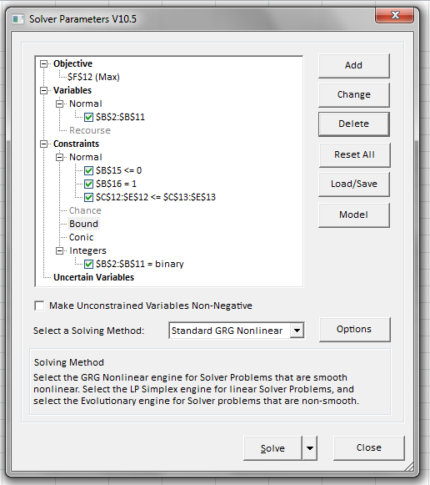
PROJECT | DECISION VARIABLES Y = 1; N = 0 | DISCOVERERS REQUIRED | DEVELOPERS REQUIRED | INVESTMENT REQUIRED ($M) | FORECASTED NPV ($M)
A | 1 | 7 | 4 | 250 | 650
B | 0 | 6 | 5 | 175 | 550
C | 1 | 9 | 6 | 300 | 600
D | 0 | 8 | 8 | 400 | 895
E | 0 | 9 | 7 | 500 | 900
F | 1 | 6 | 6 | 150 | 550
G | 1 | 5 | 5 | 150 | 450
H | 1 | 6 | 2 | 145 | 375
I | 1 | 4 | 8 | 160 | 525
J | 1 | 8 | 9 | 325 | 750
TOTAL |  | 45 | 40 | 1480 | 3900
CONSTRAINT |  | 45 | 40 | 1500

If D, then C | -1
B or I | 1

Tab 6
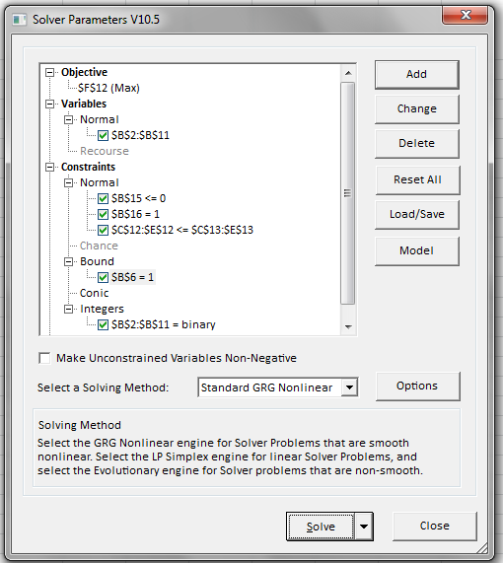
PROJECT | DECISION VARIABLES Y = 1; N = 0 | DISCOVERERS REQUIRED | DEVELOPERS REQUIRED | INVESTMENT REQUIRED ($M) | FORECASTED NPV ($M)
A | 0 | 7 | 4 | 250 | 650
B | 1 | 6 | 5 | 175 | 550
C | 0 | 9 | 6 | 300 | 600
D | 0 | 8 | 8 | 400 | 895
E | 1 | 9 | 7 | 500 | 900
F | 1 | 6 | 6 | 150 | 550
G | 1 | 5 | 5 | 150 | 450
H | 1 | 6 | 2 | 145 | 375
I | 0 | 4 | 8 | 160 | 525
J | 1 | 8 | 9 | 325 | 750
TOTAL |  | 40 | 34 | 1445 | 3575
CONSTRAINT |  | 45 | 40 | 1500

If D, then C | 0
B or C | 1

